Monitoring Document Complement
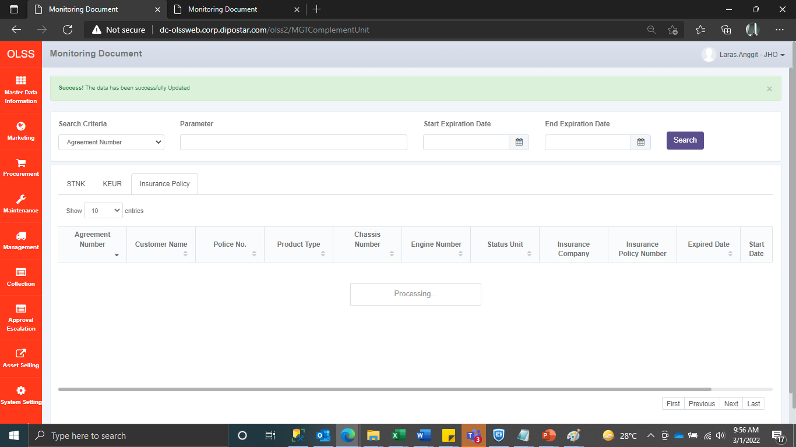
Error ketika melakukan update Insurance Policy pada monitoring document complement
Root cause :
Adanya data IdTb_OPL_Unit bernilai NULL yang menyebabkan semua data yg akan diupdate pada screen tsb error
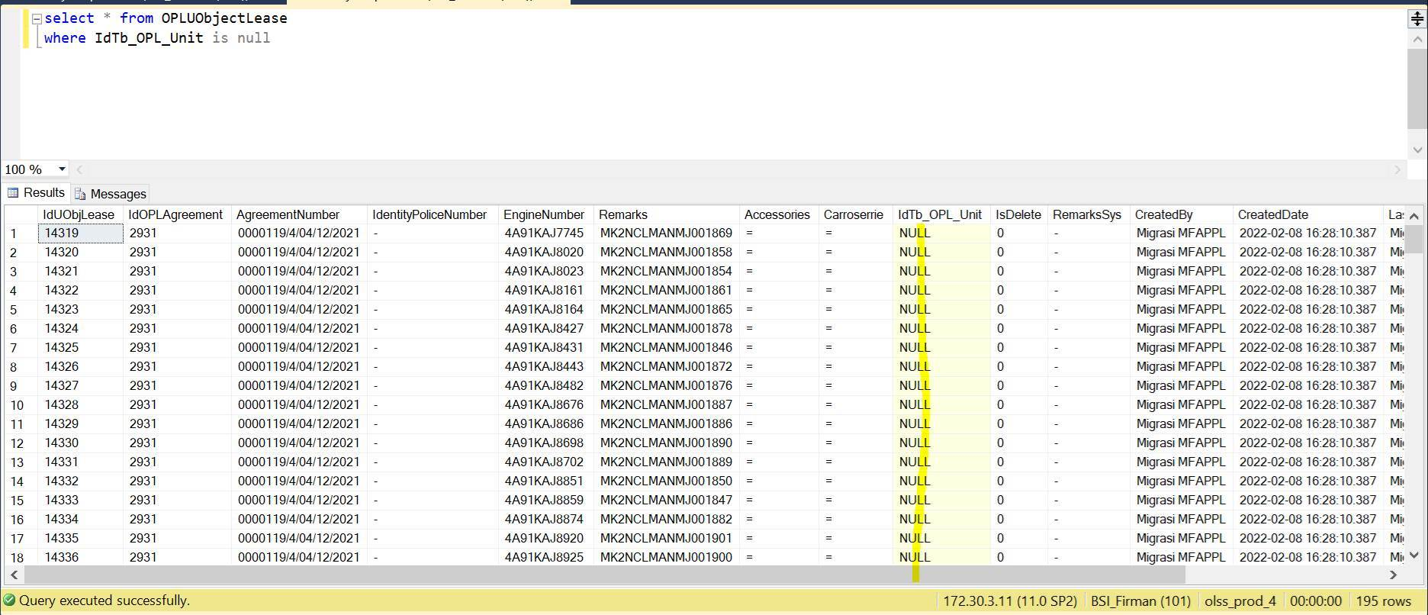

Query cek
select * from OPLUObjectLease
where IdTb_OPL_Unit is null

Jika terjadi lagi case yang sama, cek data menggunakan query di atas. Kemudian update data IdTb_OPL_Unit
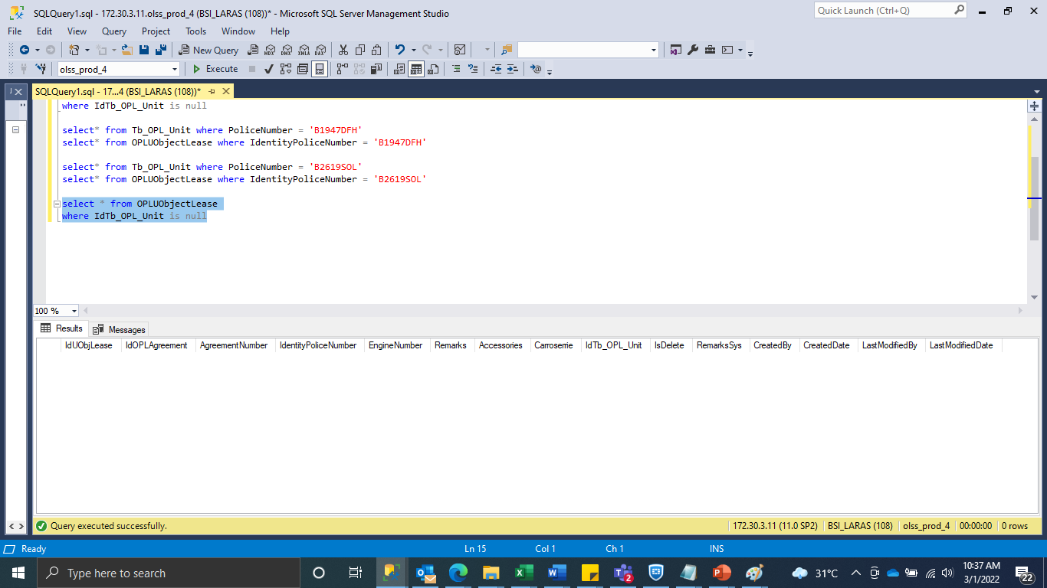

Data berhasil di update

